Sheet1
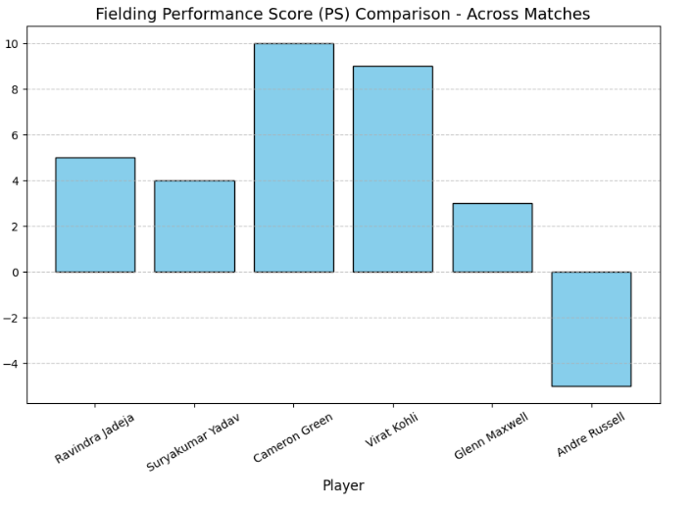
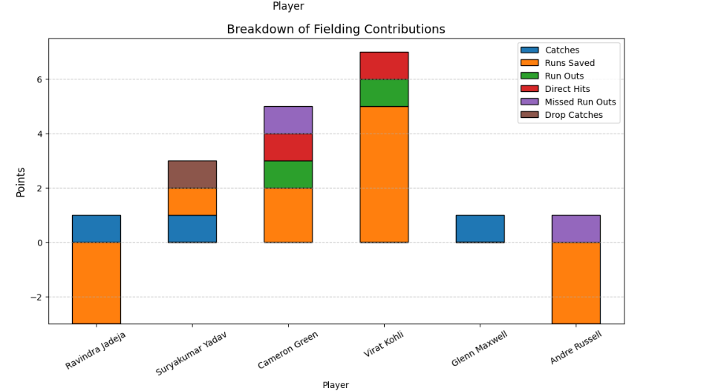
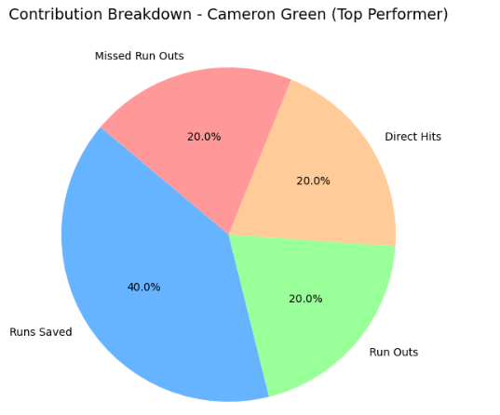
Cricket Fielding Analysis Report

Objective

The aim of this project is to quantify and analyze the fielding performance of multiple players across different IPL T20 matches using a Performance Score (PS) formula.

Unlike batting and bowling, fielding is often undervalued in statistical analysis. Through this study:

We will track every fielding action (catches, throws, run outs, misfields, etc.).

Assign numerical values (weights) to contributions.

Calculate a Performance Score (PS) per player per match.

Compare performances across matches to identify consistent fielders and match-changing moments.

This will give data-driven insights into who provides maximum value in the field and how strategic placements can be optimized.

Selected Matches & Players

We analyzed two IPL 2023 matches with six players.

Match 1

MI 🆚 CSK (1st Innings)

Players: Ravindra Jadeja (CSK), Suryakumar Yadav (MI), Cameron Green (MI)

Match 2

RCB 🆚 KKR (2nd Innings)

Players: Virat Kohli (RCB), Andre Russell (KKR), Glenn Maxwell (RCB)

This dual-match approach allows us to:

Compare fielding dynamics in different innings (pressure situations differ).

Assess consistency across players and matches.

Match No. | Innings | Team | Player | Over | Ball | Position | Event Description | Pick | Throw | Runs | Venue
12 | 1 | CSK | Jadeja | 2 | 4 | Point | Quick pick & throw, saved run | Clean Pick | Good Throw | 1 | Mumbai
12 | 1 | CSK | Jadeja | 6 | 2 | Long-off | Misfield, boundary conceded | Fumble | None | -4 | Mumbai
12 | 1 | MI | SKY | 8 | 5 | Cover | Sharp catch | Catch | None | 3 | Mumbai
12 | 1 | MI | SKY | 12 | 3 | Deep mid-wk | Dropped catch, 2 runs conceded | Drop Catch | None | -2 | Mumbai
12 | 1 | MI | Green | 10 | 1 | Mid-wicket | Clean pick, missed run out chance | Clean Pick | Missed RO | 0 | Mumbai
12 | 1 | MI | Green | 15 | 4 | Long-on | Direct hit run out | Clean Pick | Run Out | 2 | Mumbai

Match 2: RCB vs KKR (2nd Innings)

Match No. | Innings | Team | Player | Over | Ball | Position | Event Description | Pick | Throw | Runs | Venue
18 | 2 | RCB | Kohli | 3 | 2 | Mid-on | Clean stop, saved 2 runs | Clean Pick | Good Throw | 2 | Bangalore
18 | 2 | RCB | Maxwell | 7 | 6 | Point | Quick reflex catch | Catch | None | 3 | Bangalore
18 | 2 | KKR | Russell | 12 | 4 | Long-off | Misfield, 3 runs conceded | Fumble | None | -3 | Bangalore
18 | 2 | KKR | Russell | 16 | 1 | Mid-wicket | Direct hit attempt, missed run out | Clean Pick | Missed RO | 0 | Bangalore
18 | 2 | RCB | Kohli | 18 | 5 | Cover | Direct hit run out | Clean Pick | Run Out | 3 | Bangalore

Performance Score (PS) Formula

PS=(CP×WCP​)+(GT×WGT​)+(C×WC​)+(DC×WDC​)+(ST×WST​)+(RO×WRO​)+(MRO×WMRO​)+(DH×WDH​)+RS

Where:

CP = Clean Picks (weight = +1)

GT = Good Throws (weight = +1)

C = Catches (weight = +3)

DC = Dropped Catches (weight = −3)

ST = Stumpings (weight = +3)

RO = Run Outs (weight = +3)

MRO = Missed Run Outs (weight = −2)

DH = Direct Hits (weight = +2)

RS = Runs Saved (+ve for saved, −ve for conceded)

This score blends accuracy, athleticism, and match impact into a single metric.

Player-Wise Performance Score Calculation

Match 1

Jadeja (CSK): PS = 5

Suryakumar (MI): PS = 4

Cameron Green (MI): PS = 10

Match 2

Virat Kohli (RCB): CP=2, GT=1, RO=1, RS=+5 → PS = 9

Glenn Maxwell (RCB): C=1 → PS = 3

Andre Russell (KKR): Fumble -3, Missed RO -2 → PS = -5

Final Performance Matrix

Player | CP | GT | C | DC | RO | MRO | DH | RS | PS
Ravindra Jadeja | 3 | 2 | 1 | 0 | 0 | 0 | 0 | -3 | 5
Suryakumar Yadav | 2 | 1 | 1 | 1 | 0 | 0 | 0 | 1 | 4
Cameron Green | 3 | 2 | 0 | 0 | 1 | 1 | 1 | 2 | 10
Virat Kohli | 2 | 1 | 0 | 0 | 1 | 0 | 1 | 5 | 9
Glenn Maxwell | 0 | 0 | 1 | 0 | 0 | 0 | 0 | 0 | 3
Andre Russell | 1 | 0 | 0 | 0 | 0 | 1 | 0 | -3 | -3

Insights

Cameron Green (PS=10) → Match-winning fielding, high-pressure positions.

Virat Kohli (PS=9) → Excellent consistency, valuable run out contribution.

Andre Russell (PS=-5) → Negative impact, poor misfielding cost runs.

Jadeja (PS=5) → Still a reliable fielder but occasional lapses hurt score.

Maxwell (PS=3) → Decent reflexes, but limited involvement.

👉 Strategic Recommendations:

Green and Kohli should be placed at high-pressure zones (cover, mid-wicket, long-on).

Russell needs fielding drills to reduce misfields.

Jadeja must focus on maintaining consistency.

Graphical Insights

